Sheet1
Device | Atlas Emissor | Tile Slim | Atlas tag | Aitag | Smart tag 2 | Pebblebee Clip
Image | Intended implementation example | 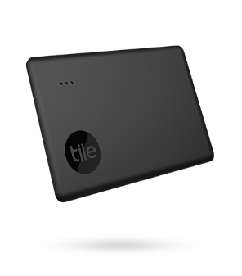 | 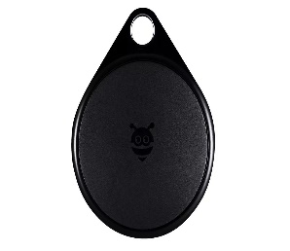 Intended implementation example |  | 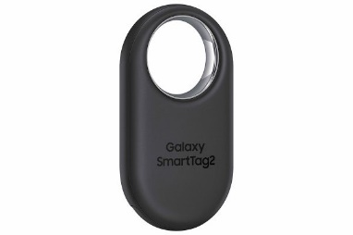 | 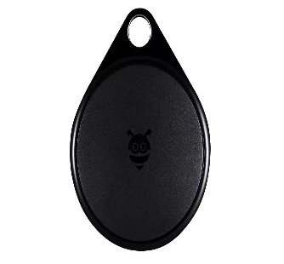
Dimensions | 85.4mm x 53.9mm x 8.0mm | 85.4mm x 53.9mm x 2.5mm | 45.0mmx x 38.0mm x 8.0mm | 31.9mmx x 31.9mm x 8.0mm | 28.8mmx x 52.4mm x 8.0mm | 45.0mmx x 38.0mm x 8.5mm
Environmental resistance | IP67 | IP68 | IP67 | IP67 | IP67 | IPX6
UWB | Max range: 15m Distance precision: ±10cm Angle precision: ±10° | N/A | Max range: 15m Distance precision: ±10cm Angle precision: ±10° | Max range: 10m Distance precision: ±10cm Angle precision: Not disclosed | Max range: 15m Distance precision: ±10cm Angle precision: ±10° | N/A
UWB antennas | 2 | 1 | 1 | 1 | 1 | 1
Bluetooth | BLE 5.4 Max Range: 100m | BLE 5.2 Max Range: ~105m | BLE 5.4 Max Range: 100m | BLE 5.2 Max Range: ~100m | BLE 5.3 Max Range: ~120m | BLE 4.0< Max Range: ~100m
Complete compatibility | Bluetooth enabled devices | Bluetooth enabled devices | Bluetooth enabled devices | Exclusively iPhone 11 - 15 (19 devices) | Galaxy smartdevices (13 devices) | Bluetooth enabled devices
NFC | NFC-A | N/A | NFC-A | NFC-A | NFC-A | N/A
Battery | 25mm x 35mm x 7mm 600mAh 3.7V rechargeable | 48mm x 51mm x 10mm 280mAh 3.0V | 20mm x 25mm x 6mm 250mAh 3.7V | 20 mm x 20 mm x 3.2mm 230mAh 3.0V | 20 mm x 20 mm x 3.2mm 230mAh 3.0V | Rechargeable
Battery life | 1 years per charge | 3 years | 1 year per charge | 1 year | 500 days | 1 year per charge
Wireless charging | Included | Not included | Included | Not included | Not included | Not included
Sound intensity | 120dB | 104dB | 120dB | 73dB | 65dB | 100dB

